EXECUTIVE
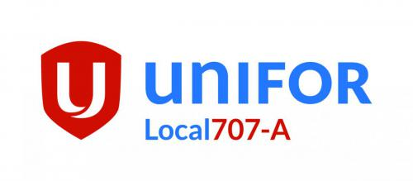
Unifor Local 707A Executive

UNIFOR LOCAL 707A |  | 780-743-3933 |  | unifor707a@unifor707a.ca
NAME | EXECUTIVE POSITIONS | CELL PHONE # | ALTERNATE PHONE # | EMAIL | SHIFT | TERM EXPIRY
Catherine Canning | President | 780-799-1676 | 780-743-3933 | president@unifor707a.ca | E8 | 2026
Jack Sully | Vice President | 780-668-2552 | 780-743-3933 | vicepresident@unifor707a.ca | SMS | 2025
Victoria Griko | Secretary Treasurer | 1-250-777-2872 | 780-743-3933 | treasurer@unifor707a.ca | I2 | 2026
John Jewett | Sergeant at Arms | 780-742-3337 | 780-743-3933 | john.jewett@unifor707a.ca | I2 | 2025
 | SMS Equipment Unit Chair |  | 780-743-3933 |  | Red | 2023
Elvin Prakash | Suncor East Tank Farm Unit Chair | 780-714-0274 | 780-743-3933 | etf@unifor707a.ca |  | 2025
NAME | EXECUTIVE POSITIONS | CELL PHONE # | ALTERNATE PHONE # | EMAIL | SHIFT | TERM EXPIRY
Dirk Tolman | Suncor Unit Chair | 250-246-0429 | 780-743-3933 | dirk.tolman@unifor707a.ca | I2 | 2023
Ian Beaton | Suncor Vice Unit Chair / Suncor Unit Greivance Chair | 780-714-4672 | 780-743-3933 | ian.beaton@unifor707a.ca | E8 | 2025 | `
John Jewett | Suncor Unit Safety Chair | 780-742-3337 | 780-743-3933 | john.jewett@unifor707a.ca | I2 | 2026
Ryan Keefe | Suncor Unit Vice Safety Chair | 778-549-7493 | 780-743-3933 | vicesafety@unifor707a.ca | L2 | 2025
NAME | EXECUTIVE POSITIONS | CELL PHONE # | ALTERNATE PHONE # | EMAIL | SHIFT | TERM EXPIRY
Nick Gorra | SMS Equipment Vice Unit Chair | 403-617-0825 | 780-743-3933 | SMSvicechair@unifor707a.ca | Red/Yellow | 2025
 | SMS Equipment Safety Chair |  |  | SMSsafety@unfior707a.ca |  | 2026

